EU a EU
GROUP |  | sub group | type pallete | Width (cm) | Depth (cm) | 32 | layer | Units | Height (cm) | weight | Group | Production country | EU
1 | Mercury | 1 | 1 | 56 | 56 | 71 | 2285 | 4571 | 91 | 41 | 1 | Denmark | 4570.6014
2 | Mercury | 1 | 1 | 56 | 56 | 196 | 6272 | 12544 | 91 | 41 | 2 | Denmark | 12544.3447
3 | Mercury | 1 | 1 | 56 | 56 | 93 | 2990 | 5981 | 91 | 41 | 3 | Denmark | 5980.5137
8 | Venus | 2 | 1 | 64 | 60 | 68 | 2180 | 4360 | 89 | 40 | 8 | Denmark | 4360.2858
9 | Venus | 2 | 1 | 64 | 60 | 84 | 2703 | 5406 | 89 | 37 | 9 | Denmark | 5406.1912
10 | Venus | 2 | 1 | 64 | 60 | 63 | 2026 | 4051 | 89 | 39 | 10 | Denmark | 4051.05
19 | Venus | 2 | 1 | 64 | 60 | 40 | 1281 | 2563 | 89 | 37 | 19 | Denmark | 2562.5236
20 | Mars | 3 | 1 | 66 | 58 | 53 | 1711 | 3422 | 95 | 52 | 20 | Denmark | 3422.1033
21 | Mars | 3 | 1 | 66 | 58 | 20 | 637 | 1274 | 95 | 55 | 21 | Denmark | 1273.51
22 | Mars | 3 | 1 | 66 | 58 | 115 | 3665 | 7329 | 95 | 43 | 22 | Denmark | 7329.0218
23 | Mars | 3 | 1 | 66 | 58 | 13 | 424 | 849 | 95 | 55 | 23 | Denmark | 848.63753333
29 | Neptune | 4 | 1 | 55 | 53 | 290 | 9266 | 18531 | 92 | 37 | 29 | Denmark | 18531.2655
30 | Neptune | 4 | 1 | 55 | 53 | 70 | 2244 | 4487 | 92 | 37 | 30 | Denmark | 4487.4334
31 | Neptune | 4 | 1 | 55 | 53 | 162 | 5186 | 10371 | 92 | 40 | 31 | Denmark | 10371.477
32 | Neptune | 4 | 1 | 55 | 53 | 167 | 5355 | 10709 | 92 | 38 | 32 | Denmark | 10,709.11 €
33 | Neptune | 4 | 1 | 55 | 53 | 33 | 1046 | 2091 | 92 | 47 | 33 | Denmark | 2,091.14 €
65 | Earth | 5 | 1 | 40 | 30 | 113 | 3611 | 7223 | 89 | 8 | 65 | Denmark | 7222.7188333

 |  |  |  |  | 496 | 87,422.98 €

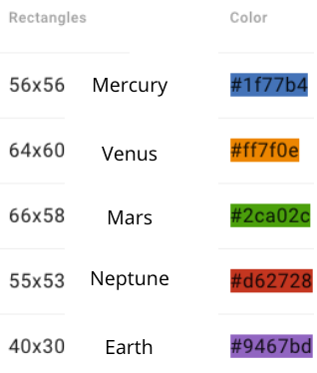
64 |  |  | 32 |  | 32

240 |  |  | 96 |  | 32

CN a EU
GROUP |  | sub group | type pallete | Width (cm) | Depth (cm) |  | PER LAYER | TOT PALLET F | Production country | EU | PALLETS REQUIRED
50 | Uranus |  | 1 | 62 | 65 | 13 | 446 | 891 | china | 891.5135 | 891
53 | Sun |  | 1 | 67 | 70 | 45 | 1454 | 2908 | China | 2908.4994667 | 2908
59 | Moon |  | 1 | 62 | 58 | 28 | 899 | 1797 | China | 3594.32095 | 1797
60 | Moon |  | 1 | 65 | 60 | 20 | 663 | 1326 | China | 2652.5959 | 1326
44 | Jupiter |  | 2 | 172 | 92 | 98 | 3145 | 6289 | china | 6289.9303 | 6289
47 | Saturn |  | 3 | 127 | 203 | 49 | 1597 | 3193 | china | 3193.7529 | 3193
56 | Galaxy |  | 3 | 123 | 199 | 31 | 1003 | 2006 | China | 2006.2321333 | 2006

 |  |  | CONTAINERS NEEDED |  |  | 224 | 118,444.03 €

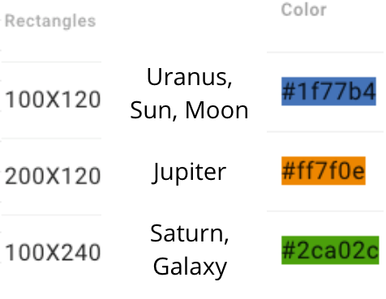
 | 192 |  | 32

